Instructions
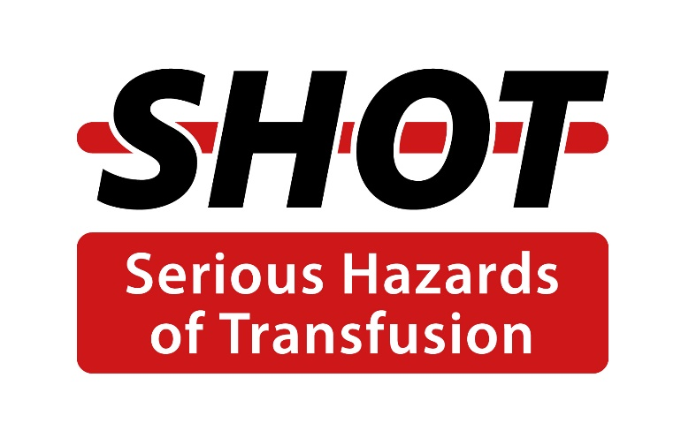

2023 Annual SHOT Report recommendations Gap Analysis Tool – Instructions:

Putting SHOT recommendations into practice:

Published July 2024

This gap analysis tool can be used by organisations to evaluate whether their practice is in line with the recommendations in the 2023 Annual SHOT Report. It can also help organisations to plan activities to meet the recommendations to enhance transfusion safety.

This tool should be used in conjunction with the 2023 Annual SHOT Report found at:

https://www.shotuk.org/shot-reports/report-summary-and-supplement-2023/

The main recommendations with required actions are displayed in the first tab. Recommendations relating to the specific SHOT report chapters can be found in the second tab. Please refer to the 2023 Annual SHOT Report for further detailed information relating to the recommendations.
The data sheets contain all the recommendations from the 2023 Annual SHOT Report. Information can also be entered about current activity relevant to the recommendation, actions needed to meet the recommendation, deadlines, and the names for the responsible leads. The content in the second tab can be filtered according to the chapter from the 2023 SHOT Report. Additionally, we have added a R/A/G status to the last column on the first and second tab so that progress can be monitored and updated accordingly. The data fields containing the recommendations cannot be edited but the compliance fields can be edited with the information relevant to the organisation.

Organisations may like to make use of the tools and resources available on the SHOT website to help put the guidance into practice.

The level of compliance sections is for organisations to judge, based on their current activity and evidence of compliance with the recommendation. This may include levels such as ‘fully compliant’, ‘partially compliant’ and ‘not compliant’.

This tool is purely to assist hospital teams to identify gaps in the implementation of SHOT recommendations, and to facilitate improvement actions. It does not need to be submitted to SHOT once completed.

